BUG-001
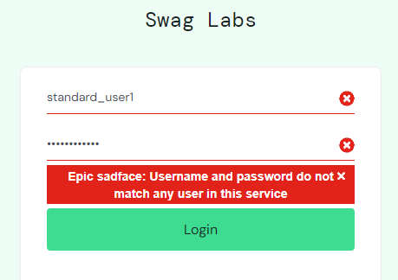
Bug report number | BUG-001

Summary | Error message text overlap

Description | When user attempts to log in with invalid credentials, error message doesn’t fit properly in dedicated error div. It becomes not understandable.

Steps to reproduce
1 | Open "https://www.saucedemo.com/" page
2 | In the field "Username" enter: "standard_user1"
3 | In the field "Password" enter: "secret_sauce"
4 | Click on "Login" button
5
6

Expected result | System properly displays error message

Actual result | Error message is overlapping

Priority | Low

Severity | Medium

Repro rate | 100%

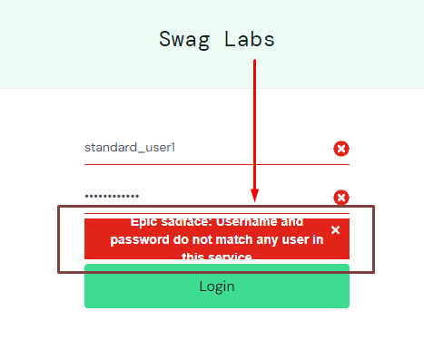
Screenshot |  | PROPER WAY

BUG-002
Bug report number | BUG-002

Summary | "All items" option from sidebar menu doesn’t refresh page

Description | When user click on "All items" page is not reloaded. Endpoint should be the "https://www.saucedemo.com/inventory.html" and sidebar should be closed, but this option is not interactable. Click is not reponsive.

Steps to reproduce
1 | Open "https://www.saucedemo.com/" page
2 | Log in with valid credentials
3 | Click on sidebar menu icon
4 | Click on "All items" option
5
6

Expected result | Page is reloaded

Actual result | "All items" option is not interactive

Priority | Low

severity | Low

Repro rate | 100%

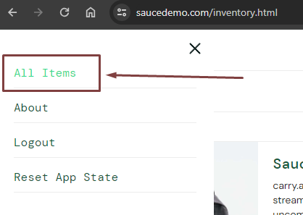
Screenshot

BUG-005
Bug report number | BUG-005

Summary | User can order an item using invalid personal data on checkout page

Description | When the user enters invalid values in the fields for "Checkout: Your Information" section, system allows proceeding to second checkout page.

Steps to reproduce
1 | Open "https://www.saucedemo.com/" page
2 | Log in with valid credentials
3 | Add an item to cart
4 | Click on cart page
5 | Click on checkout
6 | In the "First name" enter "1"
7 | In the "Second name" enter "2"
8 | In the "Zip/Postal code" enter "a"
9 | Click on "Continue"

Expected result | Erorr message is displayed

Actual result | "https://www.saucedemo.com/checkout-step-two.html" - second check out page is displayed.

Priority | High

severity | High

Repro rate | 100%

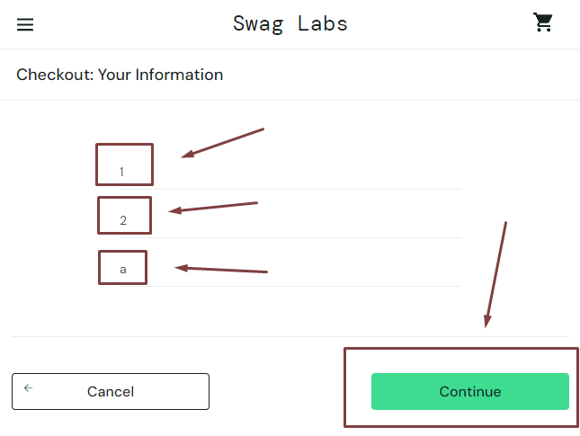
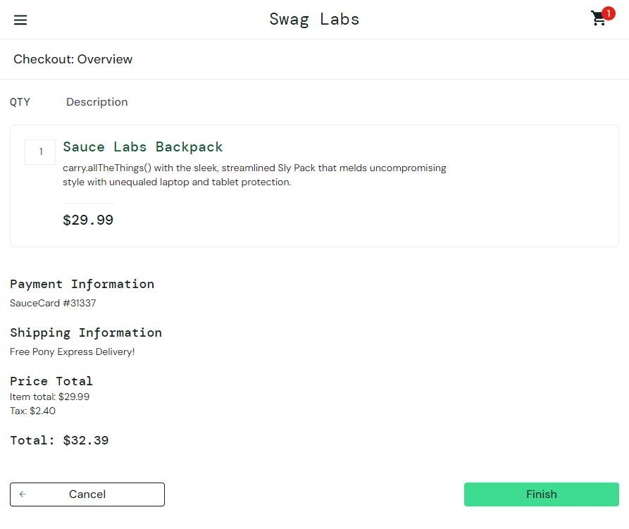
Screenshot

